Buyers Journey Infograph
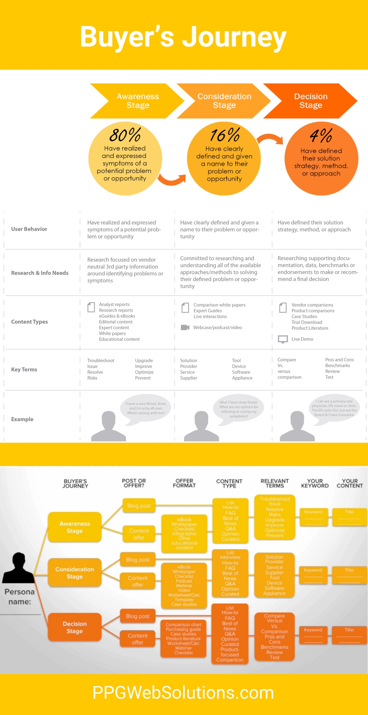

Pick Lists
Content Type / Format | Buyer's Journey Stage | Buyer Persona | Topic
Analyst Report | Awareness Stage | Your Buyer Persona #1 | Your Topic #1
Case Study | Consideration Stage | Your Buyer Persona #2 | Your Topic #2
Catalog | Decision Stage | Your Buyer Persona #3 | Your Topic #3
Checklist |  | Your Buyer Persona #4 | Your Topic #4
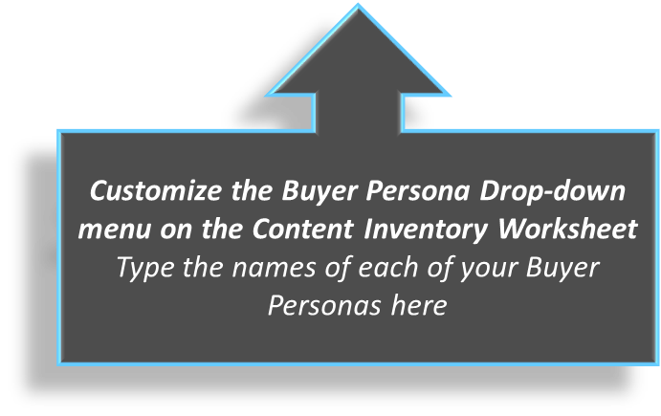
Comparison White Paper |  |  | Your Topic #5
Contact Us |  |  | Your Topic #6
Coupon
eBook
eGuide
FAQ Guide
Free Consultation
Free Demo
Free Sample
Free Trial
Live Demo
Other
Podcast
Product Literature/Brochure/Spec Sheet
RFP
Solution Brief
Tip Sheet
Trial Download
Vendor Comparison
Video
Webcast
White Paper

